1. Title Page
Grocery Basket Analysis

Project Name: Grocery Basket Analysis
Date: 1/28/2022
Analyst Name: Scott Ellis

Objective:
Perform an initial data and exploratory analysis in order to derive insights and suggest strategies for better segmentation.
Contents:
Population Flow
Consistency checks
Wrangling steps
Column derivations
Visualizations
Recommendations

Data Source:
Citation (required in your final report): “The Instacart Online Grocery Shopping Dataset 2017”, Accessed on 1/15/2022 from:

https://www.instacart.com/datasets/grocery-shopping-2017

2. Population Flow
Title page | Next Page
Population flow

Exclusion flag
Condition: max_order < 5
Obervations to be removed: 1,440,295
Final total count of order_products_all: 30,964,564

final_sample_for_analysis
Orders_products_combined
Orders_products_merged
Orders_products_all
dsf
30% random sample

Total: 9,288,468
Total 32,434,489
Total: 32,404,859
Total: 32,404,859

3. Consistency checks
 | Title page |  | Next Page
Consistency checks

Dataset | Missing values | Missing values treatment | Duplicates
orders | 206,209 | None (makes sense in context, see crosstab below) | None
products | 16 | Remove | 5
orders_products_prior | None |  | None
customers | None |  | None

crosstab | order_number
days_since_last_order | 1 | 2
0 | 0 | 20536
1 | 0 | 31674
2 | 0 | 46454
3 | 0 | 61637
4 | 0 | 76733
5 | 0 | 88999
6 | 0 | 120681
7 | 0 | 184802
8 | 0 | 112324
9 | 0 | 73676
10 | 0 | 62037
11 | 0 | 55561
12 | 0 | 54604
13 | 0 | 63962
14 | 0 | 82109
15 | 0 | 54492
16 | 0 | 38887
17 | 0 | 31942
18 | 0 | 31615
19 | 0 | 29890
20 | 0 | 35489
21 | 0 | 43945
22 | 0 | 30037
23 | 0 | 22950
24 | 0 | 19287
25 | 0 | 18759
26 | 0 | 18449
27 | 0 | 21333
28 | 0 | 27969
29 | 0 | 19943
30 | 0 | 465633

4. Wrangling steps
Wrangling steps
 | Title page |  | Next Page

Columns dropped | Columns renamed | Columns' type changed | Comment/Reason
customers['First Name', 'Surnam'] |  |  | PII
 |  | All int64 to uint8 | saving memory
 |  | All float64 to float32 | saving memory
 | order_dow to orders_day_of_week |  | readability
 | department_id values renamed with actual names with dictionary |  | readability
 | days of week values renamed with actual names with dictionary |  | readability

5. Column derivations
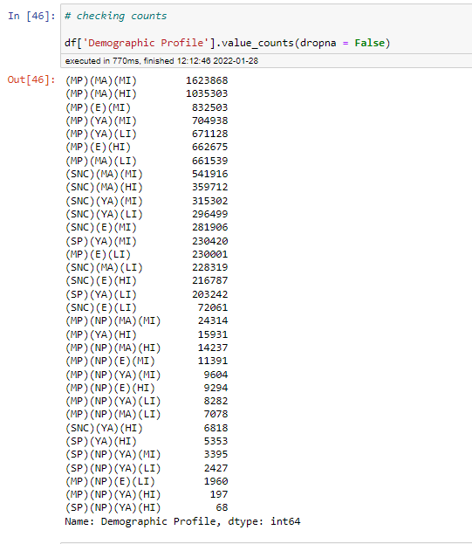
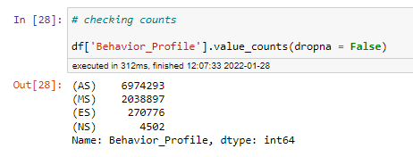
 | Title page |  | Next Page
Column derivations and aggregations

Dataset | New column | Column/s it was derived from | Conditions
orders_products_merged | price_range_loc | prices | <5(low range), >5 (mid range) <15, >15(high range)
orders_products_merged | busiest_days | orders_day_of_week | busiest days(top 2), slowest days (bottom 2), regularly busy (middle 3)
orders_products_merged | busiest_period_of_day | order_hour_of_day | 0-6, 23 = Fewest orders / 7,8, 17-22 = Average orders / 9-17 = Most orders
orders_products_merged | loyalty_flag | order_number | >40(loyal customer), >10 (regular customer) <40, <10 (new customer)
orders_products_merged | spending_flag | prices | <10(low spender), >10(high spender)
orders_products_merged | frequency_flag | days_since_last_order | >20(non-frequent customer), <10(frequent),>10(regular customer)<20
orders_products_all | Region | STATE | Northeast (ME,NH,VT,MA,RI,CT), Middle Atlantic (NY,PA,NJ), Midwest (WI,MI,IL,IN,OH,ND,SD,NE,KS,MN,IA,MO), South (DE,MD,DC,VA,WV,NC,SC,GA,FL,KY,TN,MS,AL,OK,TX,AR,LA), West (ID,MT,WY,NV,UT,CO,AZ,NM,AK,WA,OR,CA,HI)
orders_products_all | Activity | order_number | <5(low), >5(high)
final_sample_for_analysis | Demographic Profile | multiple | multiple (see script 4.10 IC Further Customer Analysis
final_sample_for_analysis | Behavioral_Profile | order_hour_of_day | - (MS) Morning shopper majority orders from 05:00 - 12:00
 |  |  | - (AS) Afternoon shopper majority orders from 12:00 - 17:00
 |  |  | - (ES) Evening shopper majority orders from 17:00 - 21:00
 |  |  | - (NS) Night shopper majority orders from 21:00 - 05:00

6. Recommendations
Title page
Recommendations/ Visualisations Menu (click box to view)

Customer Activity

Product Analysis

Loyalty Analysis

Regional Analysis

Demographic Analysis

6a. Customer Activity
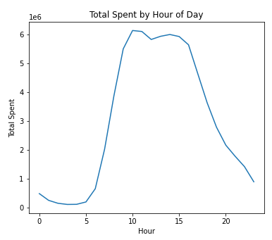
(click here to return to menu)

Customer Activity
Key Question: What are the busiest days and hours?

Recommendation:
Schedule ads on weekdays and in the morning/evening to avoid busiest order times.

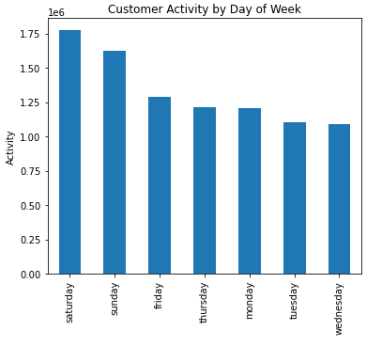

Customer activity is highest during the weekend, with lowest on Wednesday.
Hourly activity peaks in mid-morning and early afternoon.

6b. Product Analysis
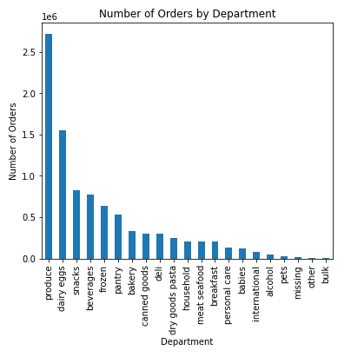
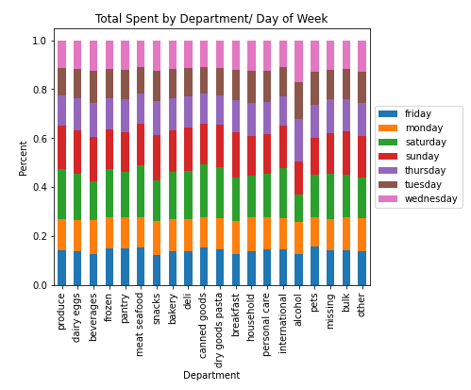
Visualisations
(click here to return to menu)

Product Analysis
Key Question: Are certain types of products more popular than others?

Recommendation:
Use price range groupings, department popularity, and department sales by day of week to direct marketing and sales efforts.

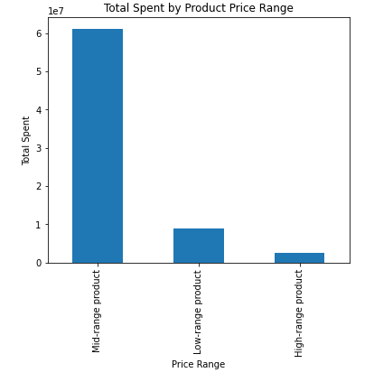

Customers spend the most on mid-range products.
The top-selling department is produce.
Department sales vary by day of the week (i.e. alcohol sells more on Wed./Thurs.)

6c. Loyalty Analysis
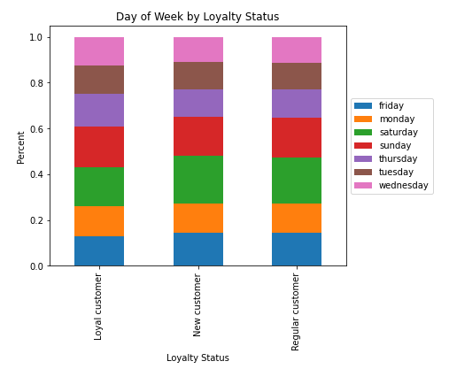
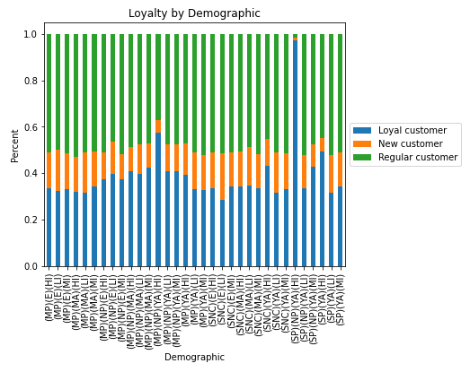
Visualisations
(click here to return to menu)

Loyalty Analysis
Key Question: What is the distribution among users in terms of loyalty, and what are their ordering habits?

Recommendation:
Investigate why some demographics have higher proportions of loyal customers.
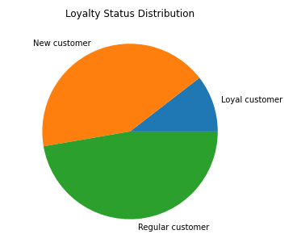

Regular customers make up almost half of all customers.
Loyal customers tend to shop less on weekends and more on Thursdays.
Some demographics have higher percentages of loyal customers (i.e. married, new parent, young adult, high income)

6d. Regional Analysis
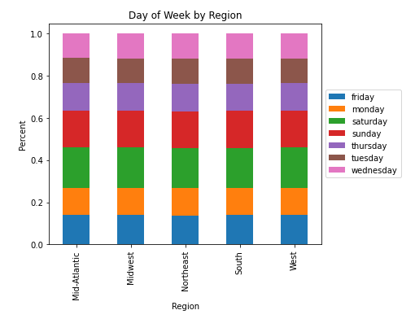
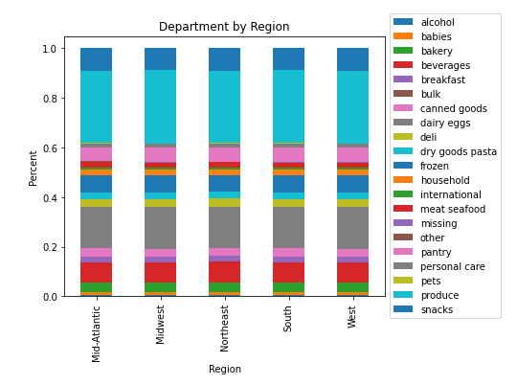
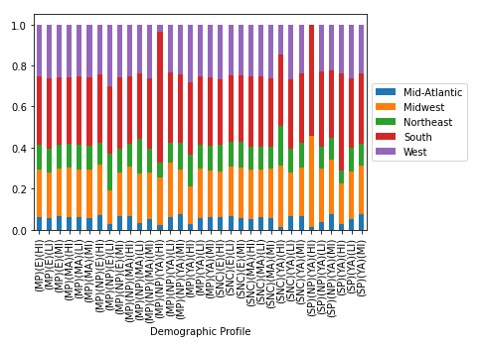
Visualisations
(click here to return to menu)

Regional Analysis
Key Question: What is the regional distribution of users, and what are their ordering habits?

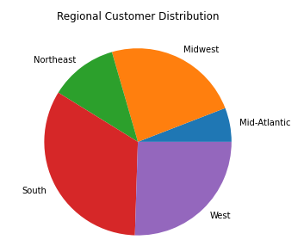
Recommendation:
Focus marketing efforts on high proportion demographics in each region (i.e. South has more married, new parent, young adult, high income customers).

South and West regions make up over half of all customers.
There are no significant differences in ordering habits between regions.
Demographics profiles vary by region.

6e. Demographic Analysis
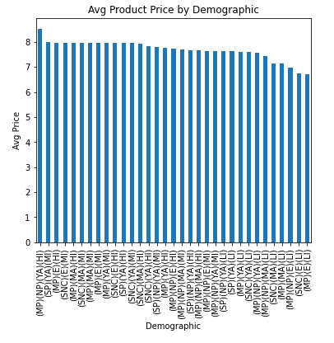
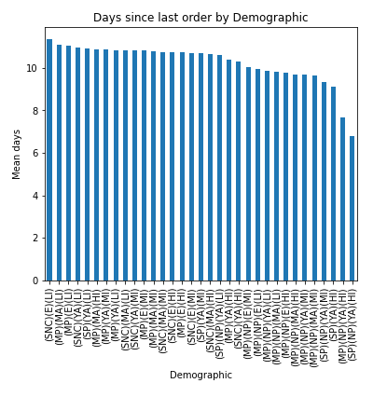
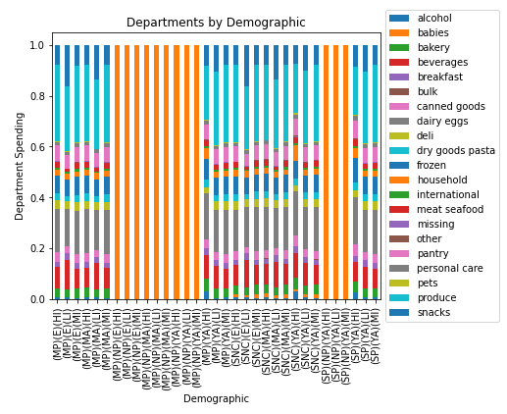
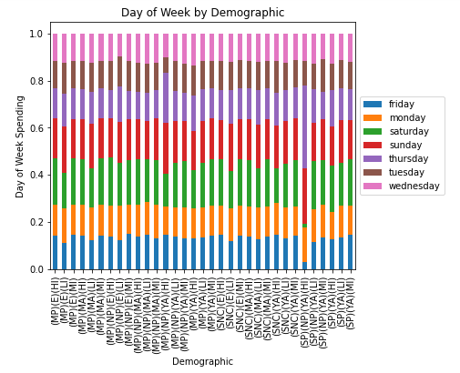
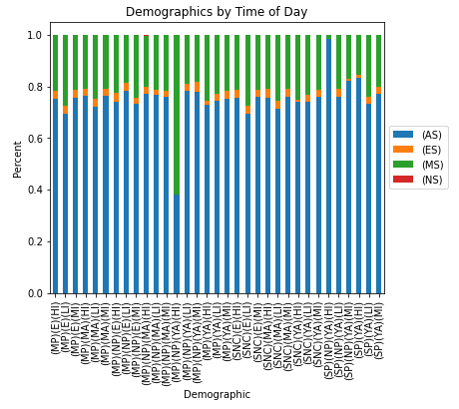
Visualisations
(click here to return to menu)

Demographic Analysis
Key Question: What different classifications does the demographic information suggest, and how do ordering habbits differ between them?

Recommendation:
Demographics should be targeted by department preference and day of week/ hour of day frequencies.
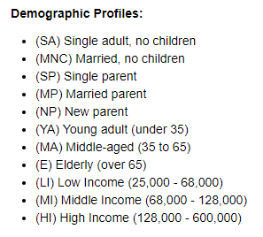

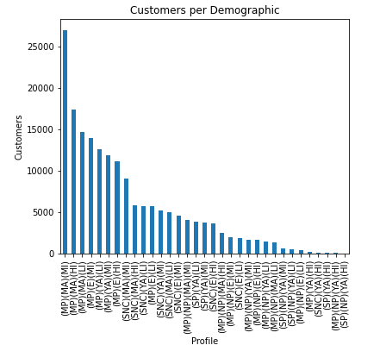

The largest demographic profile is Married Parent, Middle-Aged, Middle Income ((MP)(MA)(MI)).
There are significant difference between demographics in terms of department, day of week, and time of day.

